Calculations
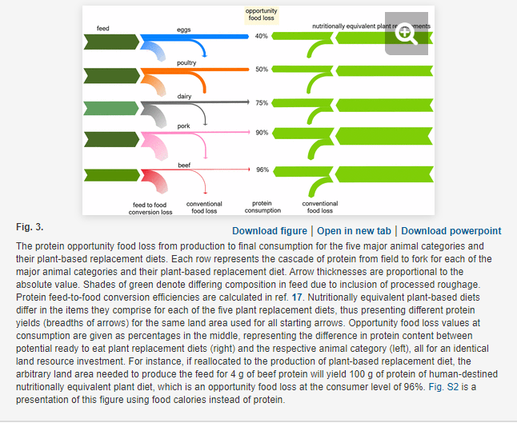
Product | Opportunity food loss (%) | Calculated ratio of plant-based protein output to animal protein output per land area | Pounds of animal products produced | Weighted average ratio
Eggs | 40 | 1.7 | 270375000 | 5.2716350316
Poultry | 50 | 2 | 204095543
Dairy | 75 | 4 | 23,017,794,952
Pork | 90 | 10 | 164587000
Beef | 96 | 25 | 1527467000

